3.1.1 UC_Login
URD |  | Skill Inventory |  |  |  |  | Process
 |  |  |  |  |  |  | Requirement
Document code |  | URD |  | Document name | User requirement |  | Create Date | 20-Nov-20 | Creator |  | Sơn
 |  |  |  |  |  |  | Update Date | 20-Nov-20 | Updater |  | Tài
3.1.1
Layout

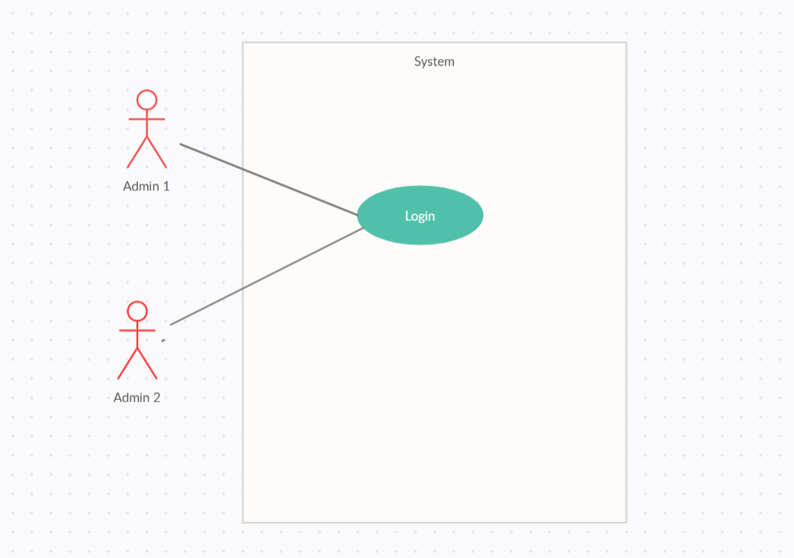

Specification

 | Use case name: |  | Login |  |  |  |  |  |  | ID: SI UC 001
 | Area: |  | Skill Inventory
 | Actors: |  | Admin 1, Admin 2,…
 | Description: |  | This use case can accept admin to login into the system

 | Trigger Event |  | Admin have to enter username and password of admin account

 | Trigger Type |  | External
 | Main flows
 | Actor |  |  |  |  | System
 | 1. Admin enter username and password |  |  |  |  | 2. System will check the username and password
 |  |  |  |  |  | chủ.

 | Alternative flows
 | Actor |  |  |  |  | System
 |  |  |  |  |  | 2.1. If the username and password not incorrect, system will notice admin
 |  |  |  |  |  | to enter again.

 | Preconditions |  | N/A
 | Post-conditions |  | Login successful into the system
 | Assumptions |  | Username and password have to correct
 | Requirement Met |  | Allow admin to access into the system
 | Outstanding Issues |  | N/A
 | Priority |  | Medium
 | Risk |  | High

3.1.1 UC_Login (2)
URD |  | Skill Inventory |  |  |  |  | Process
 |  |  |  |  |  |  | Requirement
Document code |  | URD |  | Document name | User requirement |  | Create Date | 20-Nov-20 | Creator |  | Sơn
 |  |  |  |  |  |  | Update Date | 20-Nov-20 | Updater |  | Tài
3.1.1
Layout

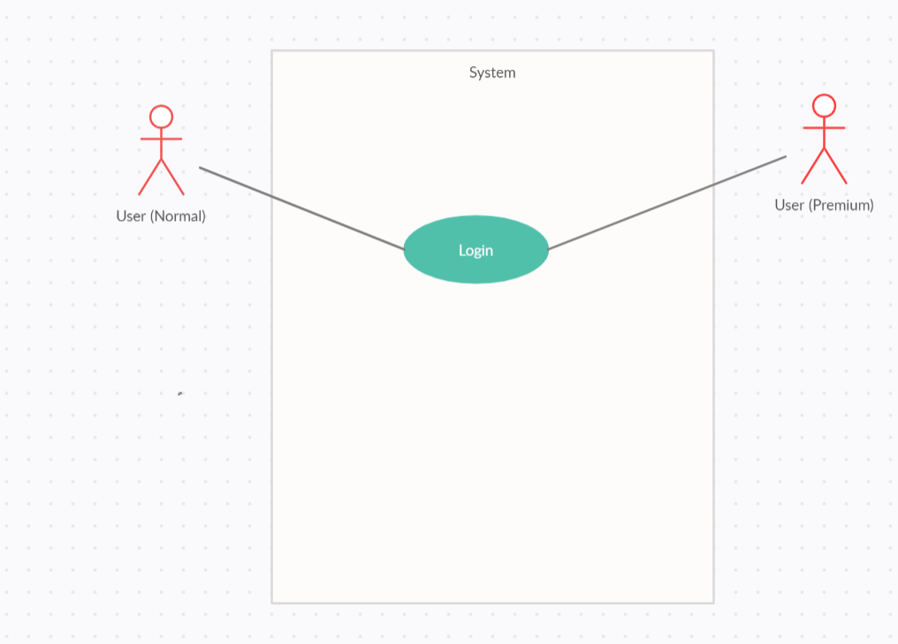

Specification

 | Use case name: |  | Login |  |  |  |  |  |  | ID: SI UC 001
 | Area: |  | Skill Inventory
 | Actors: |  | User
 | Description: |  | This use case can accept user to login into the program

 | Trigger Event |  | User have to enter username and password of user account

 | Trigger Type |  | External
 | Main flows
 | Actor |  |  |  |  | System
 | 1. Admin enter username and password |  |  |  |  | 2. System will check the username and password
 |  |  |  |  |  | chủ.

 | Alternative flows
 | Actor |  |  |  |  | System
 |  |  |  |  |  | 2.1. If the username and password not incorrect, system will notice admin
 |  |  |  |  |  | to enter again.

 | Preconditions |  | N/A
 | Post-conditions |  | Login successful into the system
 | Assumptions |  | Username and password have to correct
 | Requirement Met |  | Allow user to access into the website/program
 | Outstanding Issues |  | N/A
 | Priority |  | Medium
 | Risk |  | High

3.1.2 UC_Logout
URD |  | Skill Inventory |  |  |  |  | Process
 |  |  |  |  |  |  | Requirement
Document code |  | URD |  | Document name | User requirement |  | Create Date | 20-Nov-20 | Creator |  | Sơn
 |  |  |  |  |  |  | Update Date | 20-Nov-20 | Updater |  | Tài
3.1.1
Layout
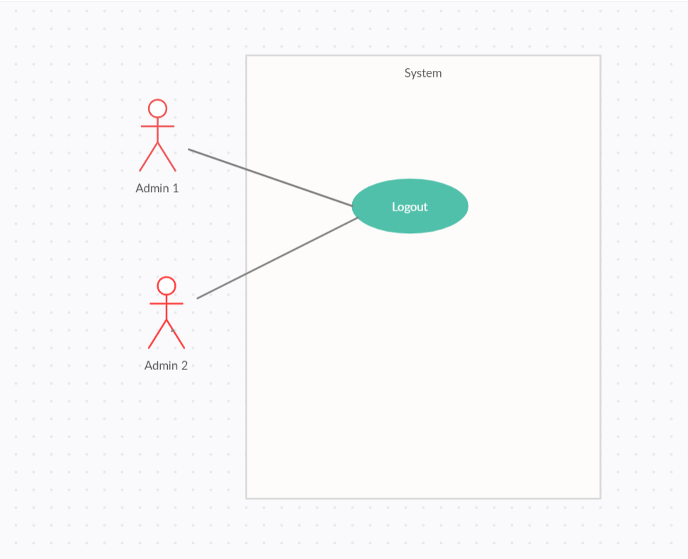

Specification

 | Use case name: |  | Log out |  |  |  |  |  |  | ID: SI UC 002
 | Area: |  | Skill Inventory
 | Actors: |  | Admin 1, Admin 2,…
 | Description: |  | This use case can accept user to log out the system

 | Trigger Event |  | Admin can log out after they login successful into the system

 | Trigger Type |  | External
 | Main flows
 | Actor |  |  |  |  | System
 | 1. Admin click “log out” |  |  |  |  | 2. System will delete the log in session of admin

 | Alternative flows
 | Actor |  |  |  |  | System

 | Preconditions |  | N/A
 | Post-conditions |  | Log out successful
 | Assumptions |  | N/A
 | Requirement Met |  | All the login information will delete
 | Outstanding Issues |  | N/A
 | Priority |  | Medium
 | Risk |  | Medium

3.1.2 UC_Logout (2)
URD |  | Skill Inventory |  |  |  |  | Process
 |  |  |  |  |  |  | Requirement
Document code |  | URD |  | Document name | User requirement |  | Create Date | 20-Nov-20 | Creator |  | Sơn
 |  |  |  |  |  |  | Update Date | 20-Nov-20 | Updater |  | Tài
3.1.1
Layout

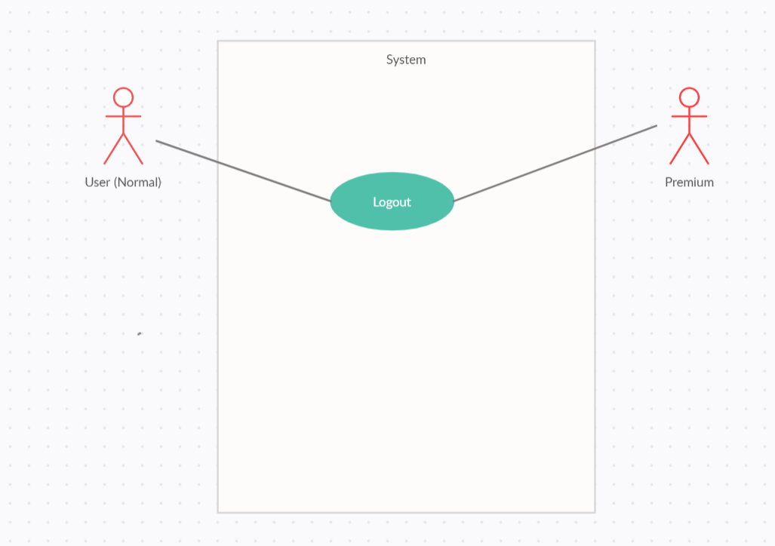

Specification

 | Use case name: |  | Log out |  |  |  |  |  |  | ID: SI UC 002
 | Area: |  | Skill Inventory
 | Actors: |  | User
 | Description: |  | This use case can accept user to log out the web/program

 | Trigger Event |  | User can log out after they login successful into the web/program

 | Trigger Type |  | External
 | Main flows
 | Actor |  |  |  |  | System
 | 1. User click “log out” |  |  |  |  | 2. System will delete the log in session of the user

 | Alternative flows
 | Actor |  |  |  |  | System

 | Preconditions |  | N/A
 | Post-conditions |  | Log out successful
 | Assumptions |  | N/A
 | Requirement Met |  | All the login information will delete
 | Outstanding Issues |  | N/A
 | Priority |  | Medium
 | Risk |  | Medium

3.1.2 UC_CreateAMeating
URD |  | Skill Inventory |  |  |  |  |  | Process
 |  |  |  |  |  |  |  | Requirement
Document code |  | URD |  | Document name | User requirement |  |  | Create Date | 20-Nov-20 | Creator |  | Sơn
 |  |  |  |  |  |  |  | Update Date | 20-Nov-20 | Updater |  | Tài
3.1.1
Layout

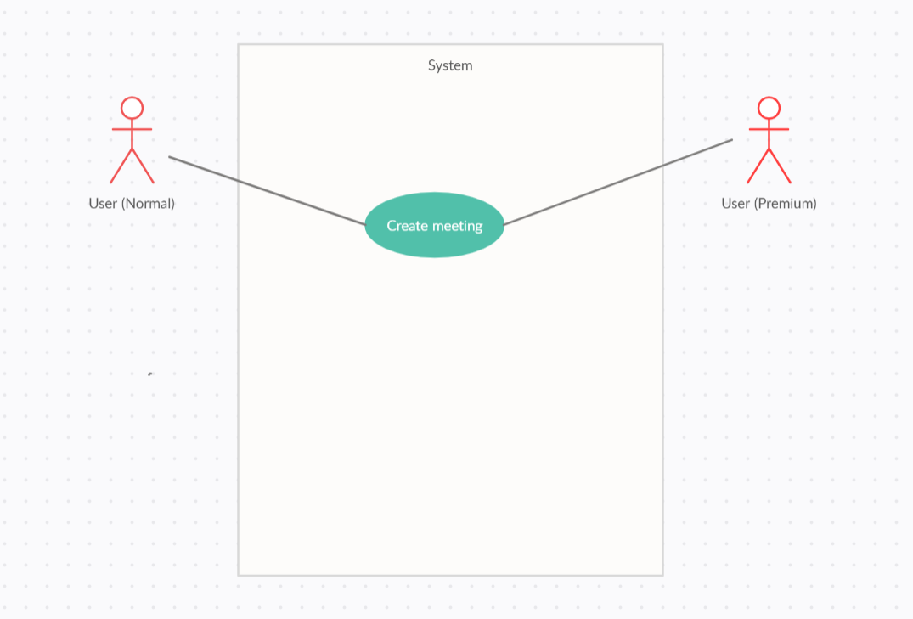

Specification

 | Use case name: |  | Create the meeting |  |  |  |  |  |  |  | ID: SI UC 002
 | Area: |  | Skill Inventory
 | Actors: |  | User
 | Description: |  | This use case can help the user create the meeting call

 | Trigger Event |  | User can log out after they login successful into the web/program

 | Trigger Type |  | External
 | Main flows
 | Actor |  |  |  |  | System
 | 1. User click “create the meet” |  |  |  |  | 2.1. Web/program will call function of the system and create the meeting
 |  |  |  |  |  |  | call for the user.
 |  |  |  |  |  | 2.2. System accept the call and create the meeting call for user.

 | Alternative flows
 | Actor |  |  |  |  | System

 | Preconditions |  | Log in the user account successful
 | Post-conditions |  | Click the icon “create the meet” and create meeting call successful
 | Assumptions |  | Username and password have to correct
 | Requirement Met |  | The meeting have to create
 | Outstanding Issues |  | N/A
 | Priority |  | High
 | Risk |  | Medium

3.1.2 UC_Manage thẹ meeting(a)
URD |  | Skill Inventory |  |  |  |  | Process
 |  |  |  |  |  |  | Requirement
Document code |  | URD |  | Document name | User requirement |  | Create Date | 20-Nov-20 | Creator |  | Sơn
 |  |  |  |  |  |  | Update Date | 20-Nov-20 | Updater |  | Tài
3.1.1
Layout

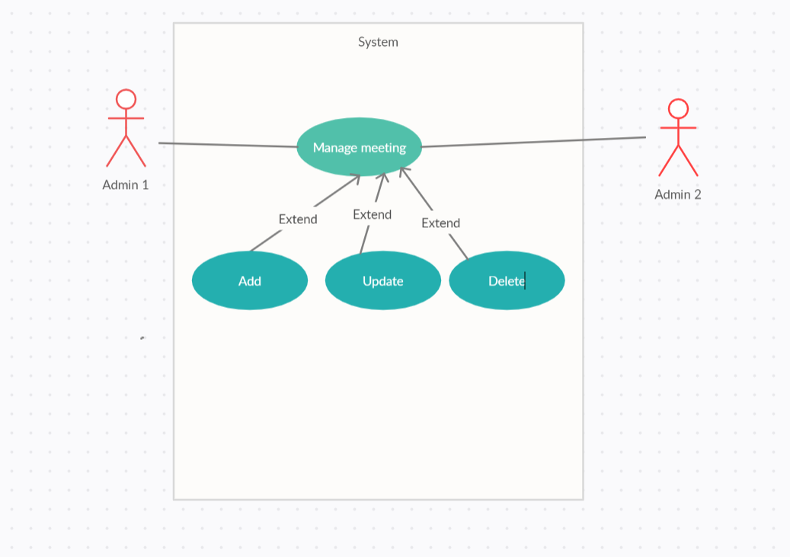

Specification

 | Use case name: |  | Manage the meeting |  |  |  |  |  |  | ID: SI UC 002
 | Area: |  | Skill Inventory
 | Actors: |  | Admin 1, Admin 2,...
 | Description: |  | This use case can help admin manage the meeting call

 | Trigger Event |  | User can login after they login successful into the web/program and can update, add and delete the meeting call

 | Trigger Type |  | External
 | Main flows
 | Actor |  |  |  |  | System
 | 1. Admin can add update delete the meeting call in database |  |  |  |  | 2. Accept the action delete, add, update and do it into the database

 | Alternative flows
 | Actor |  |  |  |  | System

 | Preconditions |  | Log in the admin account successful
 | Post-conditions |  | Add, delete, update successful the meeting call
 | Assumptions |  | Username and password have to correct
 | Requirement Met |  | The meeting have change after admin add, update or delete
 | Outstanding Issues |  | N/A
 | Priority |  | High
 | Risk |  | Medium

3.1.2 UC_Manage thẹ meetin (u)
URD |  | Skill Inventory |  |  |  |  | Process
 |  |  |  |  |  |  | Requirement
Document code |  | URD |  | Document name | User requirement |  | Create Date | 20-Nov-20 | Creator |  | Sơn
 |  |  |  |  |  |  | Update Date | 20-Nov-20 | Updater |  | Tài
3.1.1
Layout

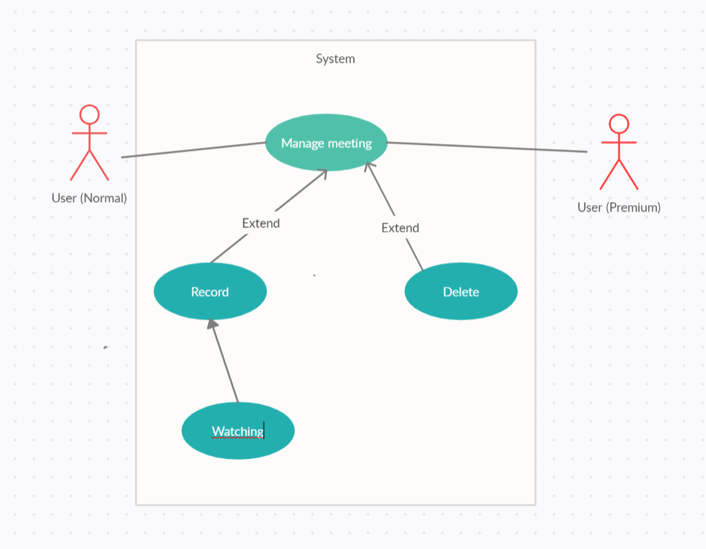

Specification

 | Use case name: |  | Manage the meeting |  |  |  |  |  |  | ID: SI UC 002
 | Area: |  | Skill Inventory
 | Actors: |  | User
 | Description: |  | This use case can help user manage the meeting

 | Trigger Event |  | User can login after they login successful into the web/program and record and delete the meeting call

 | Trigger Type |  | External
 | Main flows
 | Actor |  |  |  |  | System
 | 1. User can record or delete meeting by click record or delete button |  |  |  |  | 2. System

 | Alternative flows
 | Actor |  |  |  |  | System

 | Preconditions |  | Log in the admin account successful
 | Post-conditions |  | Click record or delete button
 | Assumptions |  | Username and password have to correct
 | Requirement Met |  | The meeting have to record and can watch after that or the meeting call was deleted after they click delete
 | Outstanding Issues |  | N/A
 | Priority |  | High
 | Risk |  | Medium

